Asphalt
Asphalt Calculations |  |  |  |  |  | Notes:
 | Depth (inches) | Density (lbs/SY/in) | Area (SF) | LF of C&G | Tons | See new pavement policy below
Overlay/resurfacing | 1.5 | 112 |  |  | - | Cost of type C is generally higher than B; price depends on the quantity and haul distance.
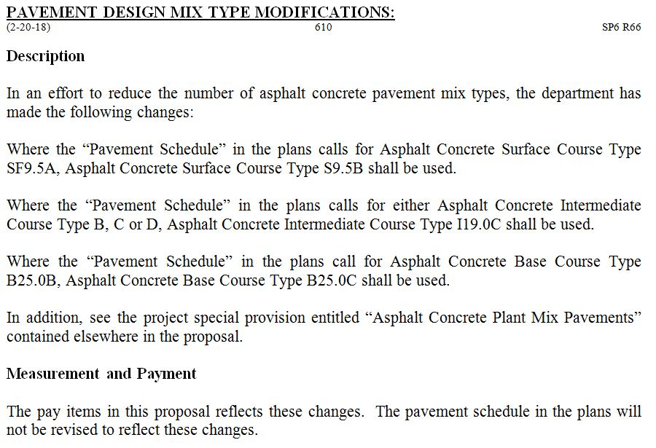
Surface course | 3 | 112 |  |  | -
Intermediate course | 4 | 114 | - |  | -
Base course | 8 | 114 | - |  | -
Base under 1.5' curb & gutter | 8 | 114 | - |  | -
Base under 2.5' curb & gutter | 8 | 114 | - |  | -
Summary
 |  | Total Base |  |  | -
 |  | Total Intermediate |  |  | -
 |  | Total Surface |  |  | -
 |  | Asphalt Binder for Plant Mix |  | 6.00% | -

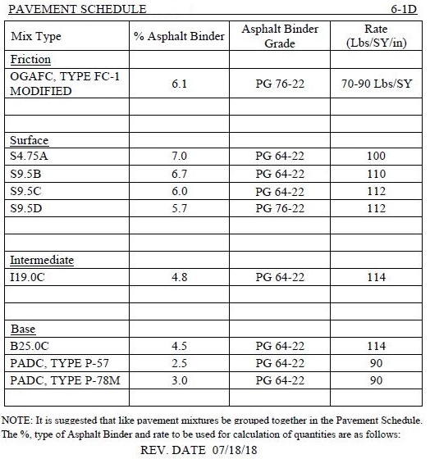

110

Stone
 | Depth (inches) | Density (lbs/CF) | Area (SF) |  | Tons

Class B stone | 12 |  |  |  | -

Filter Fabric |  |  |  | - | SY

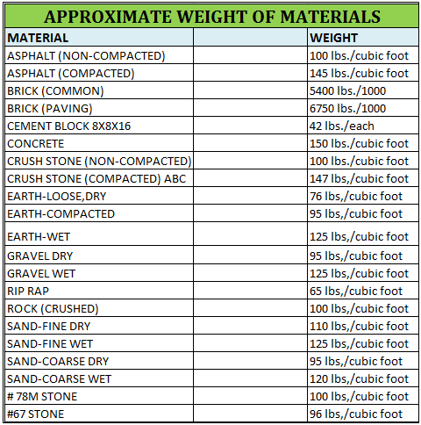

Signs
Sign and posts
Sign Type | MUTCD | SF/EA | QTY | Area (SF) |  | Instructions
Stop Sign | R1-1 | 6.25 |  | 0.00 |  | 1. Highlighted areas require input from estimator
Keep Right | R4-7 | 5 |  | 0.00 |  | 2. Roundup total and use as quantity for item #901 (Contractor Furnished, Type "x" Sign)
No U-Turn | R3-4 | 4 |  | 0.00 |  | 3. Count total number of sign posts as quantity for item #904 (Sign Erection) ***
No Parking | R7-1 | 1.5 |  | 0.00 |  | *** some signs are installed in the same post (eg. HC prk and Van accessible)
HC Pkg | R7-8 | 1.5 |  | 0.00 |  | 4. Use MUTCD for additional signs (K:\In-House Design\MUTCD)
Ped Warning | W11-2 | 6.25 |  | 0.00
Ped Arrow | W16-7P | 3.75 |  | 0.00
Stop Ahead | W3-1 | 6.25 |  | 0.00
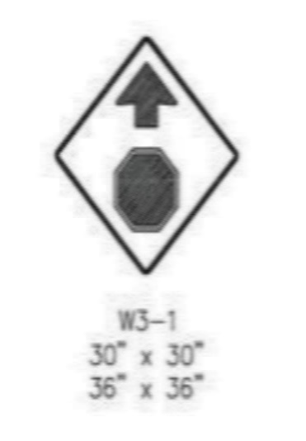
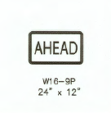
Ahead | W16-9P | 2 |  | 0.00 |  | Sample:
Bike Lane Ends | R3-16a | 7.5 |  | 0.00
Bicycle crossing | W11-1 | 6.25 |  | 0.00
Van Accessible | R7-8 | 0.5 |  | 0.00
Max. Penalty (HC Pkg) | 50.10C | 0.75 |  | 0.00

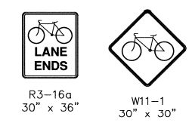
 |  |  | Total | 0 | SF

Sign Erections (D, E, and F): | 0 | EA
3-lb U-Channel | 0 | FT | (assumes 20ft per sign)

RE Low or Med Risk
Project Name: ____________________ | Date: | #REF! |  |  |  |  |  | Instructions:
 |  |  |  |  |  |  |  | ~ It is best to contact RE for a project specific RE cost estimate for high risk/complex/federal projects.
Initial Real Estate Cost Estimate - Low or Medium Risk Projects |  |  |  |  |  |  |  | ~ Highlighted areas require input from estimator
Initial Project Estimate |  |  |  |  |  |  |  | ~ Clear yellow highlight within printing window
# of Parcels |  |  |  |  |  |  |  | ~ DO NOT DELETE any line item(s)
Cost per SF (from RE) |  |  | Note: Contact RE for this cost per SF value |  |  |  |  | Notes:
# of Relocations |  |  |  |  |  |  |  | Contact the real estate division for a cost per SF for each project. Provide project location, limits, current zoning, proposed zoning

Section A - Land Costs
 | Area | Cost
Total Cost of Fee Areas (100%) |  | $-
Total Cost of Permanent Easement Areas (50%+) |  | $-
Total Cost of TCE Areas (12%) |  | $- |  | 2 | TCE Number of years
Subtotal Fee/Easement Cost |  | $-
Landscaping/Improvements (30% of Subtotal) | 30% | $- | Note: If significant damamges such as loss of parking are known, may need to increase this % or add separately.
Total A |  | $-

Section B - Administrative Costs
Administrative Costs (See Table Below) |  | $-
Total B |  | $-

Section C - Relocation Costs
Relocation Costs |  | $- | Note: Contact RE for Relocation costs
Total C |  | $-

Total Real Estate Costs
Total RE Budget Estimate |  | $-
Condemnation Contingency | 30% | $- |  | Work with RE to determine appropriate Condemnation Contingency
Inflation |  | $- |  | 1 | # years | Inflation factor: | 1.070
Total |  | $-

ADMINISTRATIVE COST BREAKDOWN (ESTIMATE)
Low Risk: $ 4,000
Medium Risk: $ 5,000
High Risk (FAST TRACK): $ 7,000
See Real Estate for Cost Estimates:
Large/Complex
Federal
Fast Track (Tier 1)
High Risk

Confirmed admin costs as of 8/21/2023

