Application Form
OVERSIZE LOAD PERMIT HOUSE MOVE PERMIT
 | E-mail this spreadsheet to: matthew.weatherly@charlottenc.gov (980)308-1603 for Information |  | Shading Legend: White= All movers Blue= Housemovers Only Yellow= CDOT Use Only
 |  |  | If this permit covers multiple loads on the same route, indicate how many loads:

http://vc.charmeck.org |  | City Ordinance requires a Permit to transport an Oversize Load on City-maintained streets. Click the link at left to use our GIS program to determine the status of a street needed to deliver a load to a site.

 | Move-Off Address |  |  |  |  | Parcel ID |  |  | Permit #

 | Move-On Address |  |  |  |  | Parcel ID |  |  | Permit #
 | This Permit is issued for a period not to exceed 30 days from the Approved Move Date
 | CDOT Permit No. |  |  | Date Submitted |  |  | Requested Date |  |  | Requested Hrs

 |  |  |  | Start Work Time |  |  | Approved Move Date |  |  | Approved Hrs

 | Permit Reviewer | Matthew Weatherly |  | 980-308-1603 |  | Signature |  |  |  | Date

 | Housemovers: Attach copy of each utility company's Letter of Agreement to Provide Services on the Approved Date.

 | NOTIFICATIONS | The following signatures are REQUIRED as proof of notification and do not guarantee approval of this permit.

 | CMPD | Eric Crawford |  | (704) 336-3229 |  | Signature |  |  |  | Date
 | Landscape Mgmt. -- OR -- City Arborist
 |  | Michael Felts |  | (704) 840-6150 |  | Signature |  |  |  | Date

 |  | Laurie R. Dukes |  | (704) 336-5753 |  | Signature |  |  |  | Date

 | NCDOT | Elijah Hager |  | (980) 250-0868 |  | Permit # |  |  |  | Date

 | CDOT Traffic Lights | Jimmy Rhyne |  | (704) 336-3905 |  | Signature |  |  |  | Date

 | # Traffic lights on route |  |  | # Signals lowered |  |  | Est. Cost to lower

 |  |  | has been contracted to provide Traffic Control Services using the City's |  |  |  |  |  |  | WATCH handbook

 | Transport Company |  |  | NC Housemovers License No. |  |  | Contact Name

 | Name |  |  |  |  |  | Title

 | Address |  |  |  |  |  | Phone |  |  | Ext.

 | City, State, Zip |  |  |  |  |  | FAX / Cell

 | Website |  |  |  |  |  | E-mail address

 | Load Owner |  |  |  |  |  | Contact Name | N/A

 | Name |  |  |  |  |  | Title

 | Address |  |  |  |  |  | Phone |  |  | Ext.

 | City, State, Zip |  |  |  |  |  | FAX / Cell

 | Website |  |  |  |  |  | E-mail address

 | Insurance / Bonding Company |  |  | Housemovers: Attach copy of Certificate of Liability Insurance

 | Agency |  |  |  |  |  | Liability Ins. Company

 | Address |  |  |  |  |  | Liability Ins. Policy #

 | City, State, Zip |  |  |  |  |  | Cargo Ins. Company

 | Phone / FAX |  |  |  |  |  | Cargo Ins. Policy #

 | Route Description | Housemovers: Attach street map with route highlighted. Insert digital maps below signature.

 | # CMPD Officers Used |  |  | # Escort Cars Used |  |  | # SHP Escorts Used |  |  | Trip Length (miles)

 | Bridges to be Crossed During Transport |  |  |  | (Used to verify adequate load-bearing capability of older bridges)

NOTE: This information is copied from the NCDOT moving Permit (Attach Copy of Permit, if required)
 | 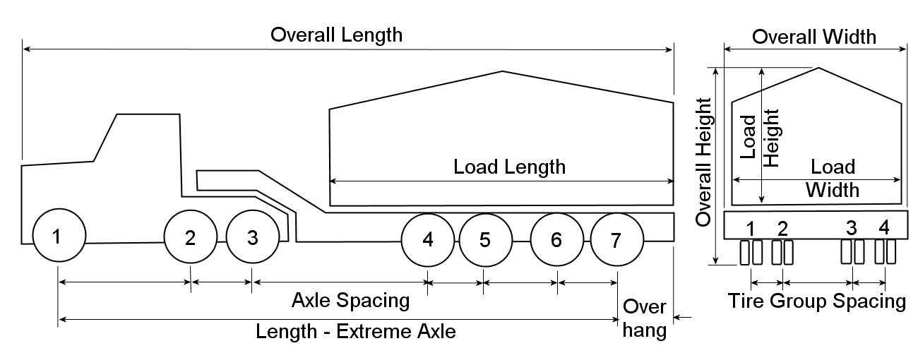

 | TRUCK and LOAD INFORMATION

 | Truck License No. |  |  | Licensing State

 | Make / Model |  |  |  |  | Serial/VIN

 | Equipment Weight |  |  | + Load Weight |  | = Total Wt. |  |  | Gross License Wt.

 | Axle Loads (Pounds)

 | Axle 1 |  | Axle 2 |  | Axle 3 |  | Axle 4 |  | Axle 5

 | Axle 6 |  | Axle 7 |  |  |  |  |  | Total No. Axles

 | Axle Spacing (Feet)

 | Axle 1 - 2 |  | Axle 2 - 3 |  | Axle 3 - 4 |  | Axle 4 - 5 |  | Axle 5 - 6

 | Axle 6 - 7 |  |  |  | Length - Extreme Axles

 | Tire Group Spacing (Feet)

 | 1 - 2 |  | 2 - 3 |  | 3 - 4

 | Dimensions (Feet) - round UP to the nearest foot [NOTE: Dimensions that exceed the maximum allowed by law will display in red.]

 | Length - Overall |  |  | Width - Overall |  |  | Height - Overall |  | Overhang

 | Length - Load |  |  | Width - Load |  |  | Height - Load

 | Load / Building Description

 | Description

 | Exterior Walls Mat'l. |  |  |  | Floor Construction |  |  |  | # Stories

 | Interior Walls Mat'l. |  |  |  | Roof Construction |  |  |  | # Chimneys

 | The Permittee shall indemnify, keep and save harmless the City of Charlotte, its agents, officials, and employees against all injuries, deaths, losses, damages, claims, suits, liability, causes of actions, judgements, costs and expenses which may arise at law or in equity, of whatsoever kind of nature for or because of any injuries, known or unknown, to person or property resulting or to result from said use of street right of way for Oversize Load / House Moving operations. The Permittee also agrees to repair any damage done to any item in the public Right-of-Way, restoring the same to current applicable City standards. The Permittee also certifies that all activities associated with this Permit, including all contractors, sub-contractors, employees, and other individuals, are covered by comprehensive general liability insurance.
 | I hereby certify and acknowledge, by my signature, that the above information is true and accurate, the vehicle listed is properly licensed, the owner has met all financial responsibility requirements, the operator is properly licensed to operate the vehicle in the state of North Carolina, and the mover is properly licensed in accordance with GS Chapter 20-356 through 20-372, and that any approval is considered tentative until confirmed in writing by the Charlotte Department of Transportation (CDOT), and that once confirmed, no further changes will be allowed. I also acknowledge that payment for the services associated with this Permit must be received by CDOT prior to performing the moving operations.
 | Name

 | Title |  |  |  |  | Date

 | (Insert Map Here)

